Protected Net Earnings Calc
Protected Net Earnings Calculator
Salary | Values |  | When to use this calculator
Gross pay | $0.00 |  | Ace Payroll warns you if the total deductions (statutory and voluntary) for an employee add
PAYE | $0.00 |  | up to more than 40% of an employee’s net pay.
ACC earner's levy | $0.00
Total earnings after PAYE (excl. ACC earner's levy) | $0.00 |  | When this happens, use this calculator to work out the total statutory deductions (child support
 |  |  | and attachment orders) you will need to make for this employee’s pay.
Deductions | Amount | This pay
Child support | $0.00 | $0.00 | If your employee’s pay changes from pay run to pay run, you’ll need to redo this calculation
Deduction #1 | $0.00 | $0.00 | each time you get the warning in Ace Payroll.
Deduction #2 | $0.00 | $0.00
Deduction #3 | $0.00 | $0.00
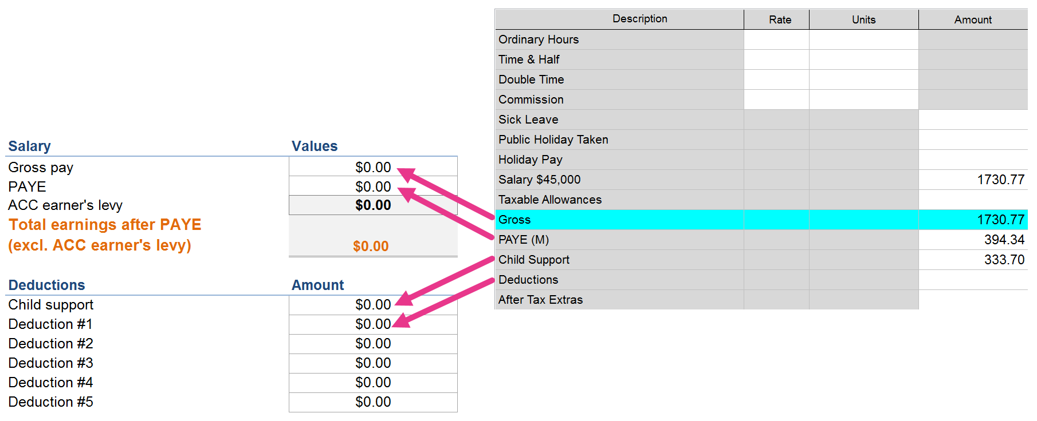
Deduction #4 | $0.00 | $0.00 | For each employee you will need
Deduction #5 | $0.00 | $0.00 | Their gross pay and the PAYE calculated for that gross pay.
 |  |  | You can find these figures in the Calculate Pays screen in Ace Payroll.
Protected net earnings | $0.00
Total child suport deduction | $0.00
Total other deductions | $0.00

